Sheet1
No. | Security Issue | Java File | Possible Vulnerabilities | Solution Implementation | Applicable Screenshots
1 | Unmasked password login field | Login.java | Shoulder surfing when a user is typing his/her password: - Stolen identity - Unauthorized access | Password needs to be masked to prevent the vulnerabilities mentioned Change the password field from javax.swing.JTextField(); to javax.swing.JPasswordField(); | 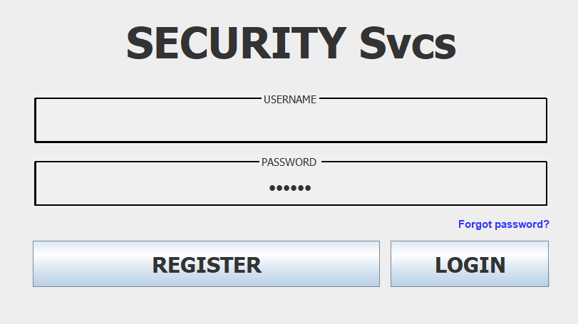
2 | Not clearing login fields | Login.java | Allows unauthorized user/s to relogin with the previous credentials of a recent user | Sets the fields to an empty string after clicking login button: frame.loginPnl.usernameFld.setText(""); frame.loginPnl.passwordFld.setText("");
3 | No login verification | Login.java, Main.java | Allows unauthorized user/s to login without having the need to input valid user credentials | Added event listener to login button that checks if the inputted username and password matches an existing account stored in the database. Method implemented: public boolean validateLogin(String username, String password) | 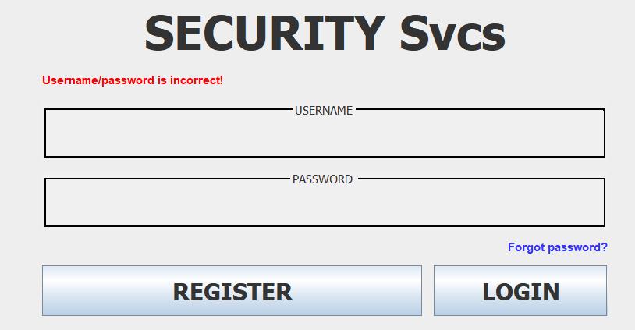
4 | Not clearing registration fields | Register.java | Exposes username of the recently registered user | Sets the fields to an empty string after clicking register button: frame.registerPnl.usernameFld.setText(""); frame.registerPnl.passwordFld.setText(""); frame.registerPnl.confpassFld.setText("");
5 | Unmasked password registration fields | Register.java | Shoulder surfing when a user is typing his/her password: - Stolen identity - Unauthorized access | Password needs to be masked to prevent the vulnerabilities mentioned Change from password = new javax.swing.JTextField(); to password = new javax.swing.JPasswordField(); | 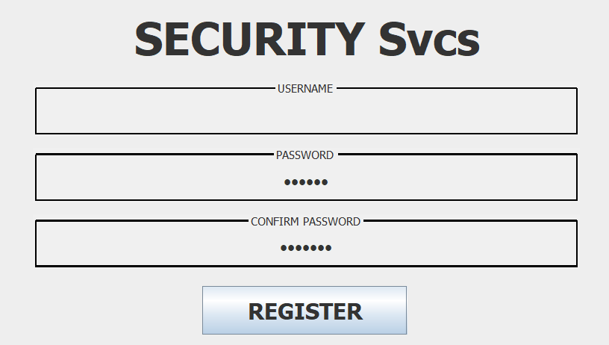
6 | Usernames are case-sensitive | Register.java | Multiple users with the same username but in different cases can exist | Use toLowerCase() on the user name value before storing in the database
7 | User passwords are stored unencrypted | Register.java, Main.java | Passwords of users can be seen in plaintext format: - Stolen identity - Unauthorized access | Hash passwords first before storing in the database Method implemented: public String hashPassword(String password)
8 | No account lockout mechanism | Main.java, Login.Java | Login is vulnerable to brute force attacks | A lockout mechanism was implemented where after 5 failed login attempts, the user is blocked from making another attemp for 5 minutes. The validateLogin function was modified to include a failed login attempt counter. | 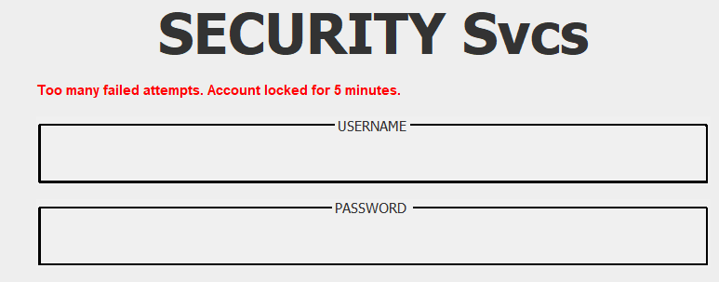
9 | Not sanitizing inputs | Main.java, Login.Java | Can be vulnerable to command injection attacks | Sanitizes input fields by removing script related characters input = input.replaceAll("[<>\"'%;()&]", "");
10 | No forget password feature | Login.java | Can cause permanent account lockout and lose data associated with the user account | Implemented a forget password feature that will notify the IT team to reach out to the person with the inputted username | 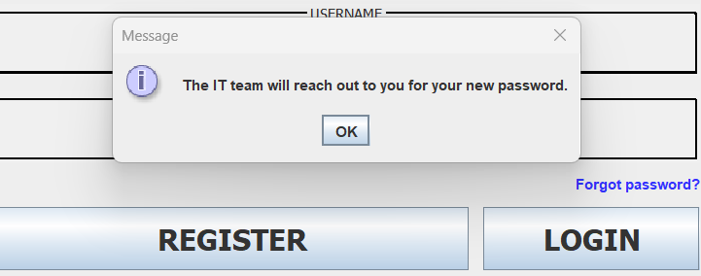
11 | Weak username and password standards | Register.java | Having super simple usernames and passwords are vulnerable to brute force attacks as they can easily be guessed | Usernames are required to be alphanumerical only, containing at least 1 letter, and having a length of at least 6 characters Passwords are required to contain at least 1 uppercase, 1 lowercase, 1 digit, 1 symbol, and having a length of at least 8 characters
12
13
14
15
16
17
18
19
20

